Chapter 4
Ross, Westerfield, Jaffe, and Jordan's Spreadsheet Master
Corporate Finance, 11th edition
by Brad Jordan and Joe Smolira
Version 11.0

Chapter 4

In these spreadsheets, you will learn how to use the following Excel functions:

FV
PV
Two-way data tables
RATE
NPER
FVSCHEDULE
NPV
EAR
APR
Exponential function
PV of an annuity
FV of an annuity
PMT
Annuity interest rate
Annuity periods
Nested function
Annuity due
Loan amortization worksheet

The following conventions are used in these spreadsheets:

1) Given data in blue
2) Calculations in red

NOTE: Some functions used in these spreadsheets may require that
the "Analysis ToolPak" or "Solver Add-In" be installed in Excel.
To install these, click on the File tab
then "Excel Options," "Add-Ins" and select
"Go." Check "Analysis ToolPak" and
"Solver Add-In," then click "OK."

Section 4.2
 | Chapter 4 - Section 2
 | The Multiperiod Case

Excel contains numerous financial functions, many of which relate to the time value of money. We will begin by using equations before moving to Excel's functions.

Example 4.3: Interest on Interest

 | Suh-Pyng Ku has made the following deposit at the First National bank of Kent. How much will she have at the end of her savings period?

 | Number of periods: |  |  | 5
 | Initial investment: |  |  | $500
 | Interest rate per year: |  |  | 7.0%

 | At the end of the investment, she will have: |  |  |  | $701.28

As shown in the textbook, the future value of $1 is found by the equation FV = $1 ´ (1 + r)t. In Excel, the carat ( ^ ) raises a number to a power. Of course, compounding only occurs with compound interest, not simple interest. To see the difference between simple interest and compound interest, consider the following example:

 | Initial investment: |  | $500
 | Interest rate per year: |  | 10%

What is the value of the investment each year over the next 5 years? How much of the interest is simple interest and how much is compound interest? We will answer this question with the following table:

 | Year | Beginning Amount | Simple Interest | Compound Interest | Total Interest | Ending Amount | Amount with Simple Interest
 | 1 | $500.00 | $50.00 | $- | $50.00 | $550.00 | $550.00
 | 2 | 550.00 | 50.00 | 5.00 | 55.00 | 605.00 | 600.00
 | 3 | 605.00 | 50.00 | 10.50 | 60.50 | 665.50 | 650.00
 | 4 | 665.50 | 50.00 | 16.55 | 66.55 | 732.05 | 700.00
 | 5 | 732.05 | 50.00 | 23.21 | 73.21 | 805.26 | 750.00
 | Totals |  | $250.00 | $55.26 | $305.26

So what does simple interest look like compared to compound interest? We can use Excel to draw a graph for us. First we need to set up a table that shows the value with simple interest and the total compound interest.

 | Year | Amount with Simple Interest | Total Compound Interest
 | 1 | $550.00 | $-
 | 2 | $600.00 | $5.00
 | 3 | $650.00 | $15.50
 | 4 | $700.00 | $32.05
 | 5 | $750.00 | $55.26

Now we can graph the contribution of compounding to the future value of our investment.

Future Value, Simple Interest, and Compound Interest

To see the effect of compound interest, change the interest rate and see how the compound interest grows as the interest rate changes.

RWJ Excel Tip
To insert this bar chart, we highlighted the columns we wanted in the graph, went to the Insert tab, and then selected Column. We chose the 2-D Stacked Column option. To get the border shadowing effect, we right-clicked on the graph, selected Format Plot Area and chose the Shadow option.

In the past, future value tables were very common. Future value tables calculated the future interest factor for a variety of interest rates and time periods. We can construct a future value table relatively quickly in Excel. By the way, we will show you a much more efficient method in the next section.

 | Number of | Interest Rate
 | Periods | 0% | 5% | 10% | 15% | 20%
 | 0 | 1.000 | 1.000 | 1.000 | 1.000 | 1.000
 | 1 | 1.000 | 1.050 | 1.100 | 1.150 | 1.200
 | 2 | 1.000 | 1.103 | 1.210 | 1.322 | 1.440
 | 3 | 1.000 | 1.158 | 1.331 | 1.521 | 1.728
 | 4 | 1.000 | 1.216 | 1.464 | 1.749 | 2.074
 | 5 | 1.000 | 1.276 | 1.611 | 2.011 | 2.488
 | 6 | 1.000 | 1.340 | 1.772 | 2.313 | 2.986
 | 7 | 1.000 | 1.407 | 1.949 | 2.660 | 3.583
 | 8 | 1.000 | 1.477 | 2.144 | 3.059 | 4.300
 | 9 | 1.000 | 1.551 | 2.358 | 3.518 | 5.160
 | 10 | 1.000 | 1.629 | 2.594 | 4.046 | 6.192

An important fact about compound interest is that it results in exponential growth. To see the exponential growth in practice, we can graph the future value table. It looks like this:

Future Value of $1 for Different Periods and Rates
 | 0% | 5% | 10% | 15% | 20% | 0%
0 | 1.000 | 1.000 | 1.000 | 1.000 | 1.000 | 1
1 | 1.000 | 1.050 | 1.100 | 1.150 | 1.200
2 | 1.000 | 1.103 | 1.210 | 1.322 | 1.440
3 | 1.000 | 1.158 | 1.331 | 1.521 | 1.728
4 | 1.000 | 1.216 | 1.464 | 1.749 | 2.074
5 | 1.000 | 1.276 | 1.611 | 2.011 | 2.488
6 | 1.000 | 1.340 | 1.772 | 2.313 | 2.986
7 | 1.000 | 1.407 | 1.949 | 2.660 | 3.583
8 | 1.000 | 1.477 | 2.144 | 3.059 | 4.300
9 | 1.000 | 1.551 | 2.358 | 3.518 | 5.160
10 | 1.000 | 1.629 | 2.594 | 4.046 | 6.192

RWJ Excel Tip
There is a "bug" in Excel when graphing a table like the one above. If a table has text in the header row and column, Excel will automatically use the text in the legend of the graph. However, when the header row and column are numbers, Excel will not use the numbers in the legend, but rather include them in the graph. To include the numbers in the legend and on the vertical axis, try the following: First, select just the data in the data and ignore the header row and column. Next, right click on the entire chart and choose "Select Data." In the left hand column, highlight the data series you want to include a legend for (Series 1, Series 2, etc.,) then select "Edit." This brings up a box that allows you to choose the "Series Name." To include the number in the legend, simply select the cell that has the header you want to include. You will need to repeat this for every column in the table. To include the column with the number of years as the horizontal axis, go to the "Horizontal (Category) Axis Labels," select "Edit", then highlight the array that has the correct values for the horizontal axis.

Now that we have calculated the future value of a lump sum with the equation, we will use Excel's FV function to calculate the future value. Suppose you have the following investment opportunity:

 | Interest rate per year: |  | 12%
 | Number of years: |  | 3
 | Initial investment: |  | $400

How much will you have at the end of the investment. Using the FV function, we find that you will have:

 | Future value: |  | $561.97

RWJ Excel Tip
To use the FV function, we entered the following:
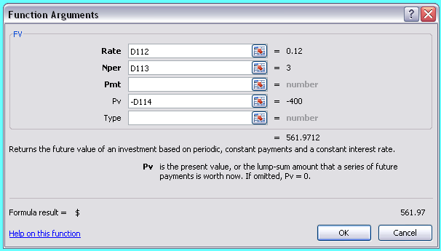

The Rate is simply the interest rate, Nper is the number if periods, and Pv is the present value. We left the payment and type blank for now, but we will discuss this in more detail later. Notice also that we put a negative sign in front of the present value. Excel works like a calculator in that it expects cash flows. If we had left the present value as a positive number we would have simply gotten a negative answer. Since we prefer our answers to show as positive, we entered a negative in front of the present value.

Example 4.6: How Much for That Island?

 | Consider Peter Minuit's purchase of Manhattan Island from the American Indians. Using the FV function, if the purchase price of the island was invested, how much would that investment be worth today?

 | Purchase price: |  |  |  | $24
 | Interest rate: |  |  |  | 10%
 | Number of years: |  |  |  | 389

 | Value today: |  | $303,365,205,779,016,300.00

RWJ Excel Tip
Two things about the above example. First, we did not want to change the column width for the entire spreadsheet to display the future value. To get the future value to display, we merged 3 cells by using the merge icon: In merging cells, you simply select the cells you want merged into one cell and click on the icon. The second thing is that if you notice, the future value has all zeroes in the last three digits of the dollar amount and in the cents. You might think this is strange, and indeed it is. The reason is that while Excel is very precise, it only calculates to 15 significant digits. Although this generally does not create a problem in most calculations, it is something that you should consider if you are using very large or very small numbers.

If for some reason you do need more accurate calculations, www.precisioncalc.com has an add-in to Excel available that will calculate to 32,767 digits.

Present Value and Discounting
Now that we have used the FV function, we will skip entering an equation to find the present value, but rather talk about the PV function. The PV syntax is similar to the FV syntax.

Example 4.7: Multiperiod Discounting

 | Bernard Dumas will receive a lump sum payment in the future. What is the value of that payment today?

 | Future value: |  | $10,000
 | Number of periods: |  | 3
 | Interest rate: |  | 8%

 | Present value: |  | $7,938.32

RWJ Excel Tip
To use the PV function, we entered the following:
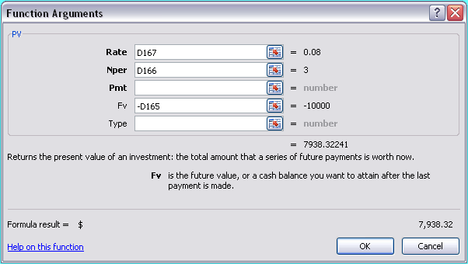

The Rate is simply the interest rate, Nper is the number of periods, and Fv is the future value. We left the payment and type blank for now, but we will discuss these later on. Notice also that we put a negative sign in front of the future value. Excel works like a calculator in that it expects cash flows. If we had left the future value as a positive number we would have simply gotten a negative answer. Since we prefer our answers to show as positive, we entered a negative in front of the future value.

Suppose we want to create a table with the present value factors for different interest rates and periods. A two-way data table allows us to do this very easily. First, we'll set up a basic PV problem, with $1 as the future value.

 | Future value: |  | $1
 | Number of periods: |  | 2
 | Interest rate: |  | 9%

 | Present value: |  | $0.8417

RWJ Excel Tip
To set up a two-way data table, first create the rows and columns for the table. Next, in the upper left hand corner, enter the equation you would like to use into the calculations in the cell. Next, select the cell with the equation you want to use in the data table, go to the Data tab, What-If Analysis, then Data Table. Excel will prompt you to enter the variables in your table that correspond to the row and column numbers you entered. For this data table , our entries were:

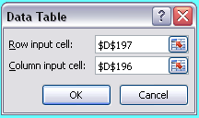

Notice that Excel made our choices absolute references by default. Just hit OK and the data table will be filled in automatically. We left the calculation in the upper left hand corner showing in this case, but remember we could hide this number by right-clicking, selecting Format Cells, choosing Custom, and entering the custom type as a semicolon.

 |  | Interest Rate
 |  | $0.8417 | 0% | 5% | 10% | 15% | 20%
 | Number of Periods | 0 | 1.00000 | 1.00000 | 1.00000 | 1.00000 | 1.00000
 |  | 1 | 1.00000 | 0.95238 | 0.90909 | 0.86957 | 0.83333
 |  | 2 | 1.00000 | 0.90703 | 0.82645 | 0.75614 | 0.69444
 |  | 3 | 1.00000 | 0.86384 | 0.75131 | 0.65752 | 0.57870
 |  | 4 | 1.00000 | 0.82270 | 0.68301 | 0.57175 | 0.48225
 |  | 5 | 1.00000 | 0.78353 | 0.62092 | 0.49718 | 0.40188
 |  | 6 | 1.00000 | 0.74622 | 0.56447 | 0.43233 | 0.33490
 |  | 7 | 1.00000 | 0.71068 | 0.51316 | 0.37594 | 0.27908
 |  | 8 | 1.00000 | 0.67684 | 0.46651 | 0.32690 | 0.23257
 |  | 9 | 1.00000 | 0.64461 | 0.42410 | 0.28426 | 0.19381

RWJ Excel Tip
We have the legend on the left hand side of the table running vertically. To do this, we merged the cells, typed in the text, right clicked on the cells and selected "Format Cells." Using the "Alignment" option, we moved the "Text" wheel to vertical.

Graphically, the present value factors look like this:
Present Value of $1 for Different Periods and Rates

Finding the Interest Rate
Finding the interest rate necessary for a present value to reach a desired future value in a desired time period is a relatively simple problem using Excel.

Example 4.8: Finding the Rate

A customer of Chafkin Corp. wants to buy a tugboat today. Rather than paying immediately, he will pay at some point in the future. What interest rate would the Chafkin Corp. charge to neither gain or lose on the sale?

 | Present value: |  | $38,610
 | Future value: |  | $50,000
 | Number of periods: |  | 3

 | Interest rate: |  | 9.00%

RWJ Excel Tip
To find the interest rate, we used the RATE function and entered the following:
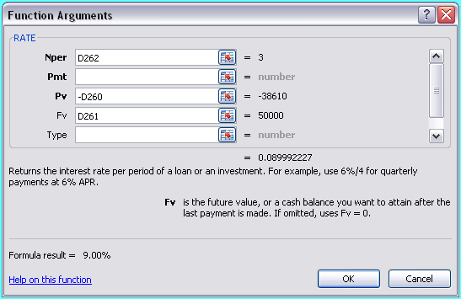

NPER is the number of periods, Pv is the present value, and Fv is the present value. We left the payment and type blank for now, but we will discuss these later on. Notice also that we put a negative sign in front of the present value. Excel works like a calculator in that it expects cash flows. We could have also made the present value positive and the future value negative.

Finding the Number of Periods
Excel also has a built-in function to calculate the number of periods necessary for a lump sum today to reach a desired amount in the future.

Example 4.9: Waiting for Godot

You are saving up to buy the Godot Company and have the following information. How long must you wait to buy the company?

 | Present value: |  | $2,300,000
 | Future value: |  | $10,000,000
 | Interest rate: |  | 5%

 | Number of periods: |  | 30.12

RWJ Excel Tip
To find the number of periods, we used the NPER function and entered the following:
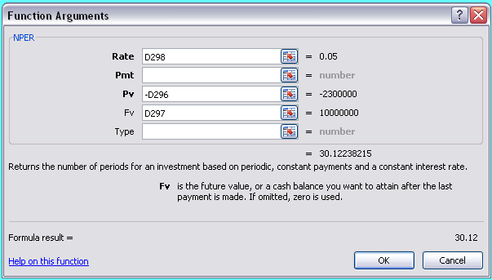

Rate is the interest rate, Pv is the present value, and Fv is the future value. We left the payment and type blank for now, but we will discuss these later on. Notice also that we put a negative sign in front of the present value. Excel works like a calculator in that it expects cash flows. We could have also made the present value positive and the future value negative.

Future Value with Changing Interest Rates

Suppose you are going to make a lump sum deposit today, and the interest rate you will receive will change every year. With the following assumptions, how much will you have in 6 years?

 | Present value: | $100
 | Year | Interest rate
 | 1 | 8%
 | 2 | 6%
 | 3 | 10%
 | 4 | 15%
 | 5 | 11%
 | 6 | 9%

One way to calculate the future value is to compound the value each year. In year 1, we will receive the year 1 interest rate. We will use the value at the end of year 1 to calculate the future value in year 2 at the year 2 interest rate, and so on. Doing this, we find that the value each year is:

 | Year | Value at year end
 | 1 | $108.00
 | 2 | 114.48
 | 3 | 125.93
 | 4 | 144.82
 | 5 | 160.75
 | 6 | 175.21

While this process is more repetitive than difficult, Excel has a function that will calculate the future value of this amount. Using the FVSCHEDULE function, we find that the future value is:

 | Future value:

RWJ Excel Tip
To use the FVSCHEDULE, we entered:
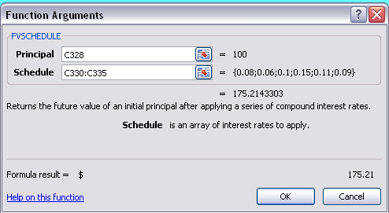

In this function, Principal is the beginning deposit and Schedule is an array that contains the interest rates for each period.

Net Present Value
Net present value is the present value of all outflows, plus the present value of all inflows. Unfortunately, as we will see, computer programmers don't understand net present value.

Example 4.11: NPV
Finance.com has the following investment opportunity for a new high-speed computer. Should Finance.com make this investment? What is the net present value?

 | t | Cash flow
 | 0 | $(50,000)
 | 1 | 25,000
 | 2 | 20,000
 | 3 | 15,000

 | Return: | 7%

 | NPV: | $3,077.73

RWJ Excel Tip
To calculate the NPV of the project using the NPV function, we entered the following:
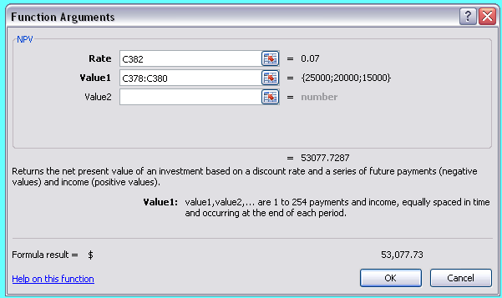

Notice one very important thing: We did not include the cash flow at time 0 in the NPV function. The reason is simple. When the programmers created the NPV function, they did not truly create a function that calculated the NPV, but rather created a function that calculated the present value of cash flows. So, to calculate the NPV of a series of cash flows, we use the NPV function to calculate the present value of the cash flows beyond time 0, then add the cash flow at time zero to the result. To see how we did this, simply go to the NPV cell above.

We can use the NPV function to find the present value of any series of cash flows. For example, to find the present value of the Colin Kaepernick contract we discussed in the text, we would do something like the following:

 | Interest rate: | 12%
 |  | Salary
 | 0 | $13,000,000
 | 1 | $12,400,000
 | 2 | $14,300,000
 | 3 | $18,500,000
 | 4 | $19,000,000
 | 5 | $20,800,000
 | 6 | $23,000,000

 | Contract present value: |  | $84,169,073.48

Section 4.3
 | Chapter 4 - Section 3
 | Compounding Periods

Excel has functions to calculate the effective annual rate and the annual percentage rate.

Example 4.12: EARs

Suppose Jane Christine makes a deposit in an account with the following stated annual interest rate and compounding periods per year. What is the EAR of this account?

 | APR: |  | 24%
 | Compounding periods per year: |  | 12

 | EAR: |  | 26.82%

RWJ Excel Tip
To calculate the effective annual rate, we can use the EFFECT function as follows:
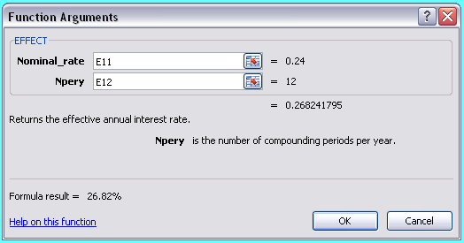

In the EFFECT function, Nominal_rate is the APR and Npery is the number of compounding periods per year.

Of course, you may have the EAR and need to find the APR. Remember that the APR is the legally quoted interest rate on loans.

As a lender, you know the interest rate and the number of compounding periods per year. In order to earn this interest rate, what rate do you quote?

 | EAR: |  | 18%
 | Compounding periods per year: |  | 12

 | APR: |  | 16.67%

RWJ Excel Tip
To calculate the annual percentage rate, we can use the NOMINAL function as follows:
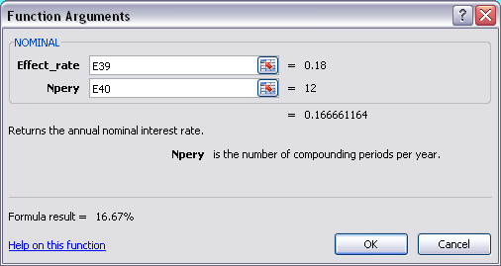

In the NOMINAL function, Effect_rate is the EAR and Npery is the number of compounding periods per year.

Continuous Compounding

Excel does not have a function for continuous compounding, but it does have a function that calculates the exponential function (e).

Example 4.15: Continuous Compounding
Suppose Linda DeFond makes a deposit into an account with the following APR. The account has continuous compounding. What is the EAR of this account?

 | APR: | 5.50%

 | EAR: | 5.65%

RWJ Excel Tip
To calculate the exponential function, we use EXP, found under the Math & Trig functions, as follows:
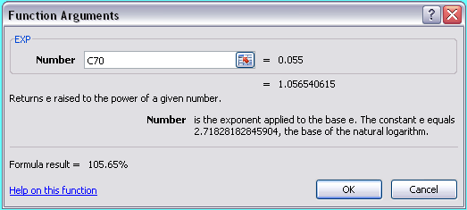

The sole argument of this Excel function is Number, which is the number we want to calculate the exponential value. If you notice, the function returns 1.056540615 in this case. Since we are dealing with interest rates, we need to calculate the exponential function for the interest rate and then subtract 1 (one.)

Section 4.4
 | Chapter 4 - Section 4
 | Simplifications

Excel does not have built-in functions for perpetuities, growing perpetuities, or growing annuities. Each of these can be calculated by inputting the equations directly into a cell. We'll leave this up to you and instead concentrate on the broad array of annuity calculations in this section.

Present Value for Annuity Cash Flows

Finding the present value of an annuity is a simple task in Excel. Remember the Pmt argument in the PV and FV functions that we left blank in Section 4.2? The Pmt stands for the annuity payment. Finding the present value of an annuity uses the PV function with the annuity payment in the Pmt argument.

Example 4.20: Lottery Valuation
Mark Young just won the state lottery and will receive the following set of equal payments beginning one year from now. What is the value of the payments today?

 | Annual payment: |  | $50,000
 | Number of years for payments: |  | 20
 | Interest rate: |  | 8%

 | Present value: |  | $490,907.37

RWJ Excel Tip
To find the present value of this annuity, we used the following arguments:
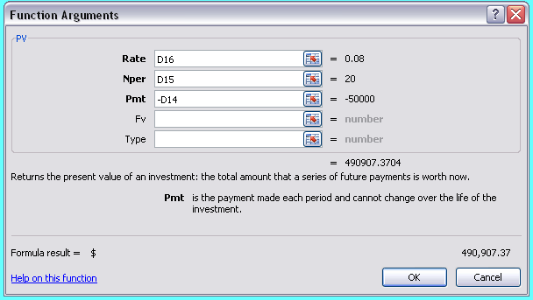

Rate is simply the interest rate, Nper is the number of periods, and Pmt is the annuity payment. Since there is no present value, we left this blank. Notice also that we put a negative sign in front of the payment. Excel works like a calculator in that one of the cash flows must be positive and one of the cash flows must be negative. If we had left the payment as a positive number we would have gotten a negative answer. Since we prefer our answers to show as positive, we entered a negative in front of the payment.

Future Value for Annuities

We can find the future value of an annuity using the Pmt argument in the FV function. Suppose you are saving for retirement. Based on the following assumptions, how much will you have when you retire?

Example 4.21: Retirement Investing
Suppose you make the following deposits into a Roth IRA for retirement? How much will you have in your account when your golden years start?

 | Annual savings: |  | $3,000
 | Number of years to save: |  | 30
 | Interest rate: |  | 6%

 | Future value: |  | $237,174.56

RWJ Excel Tip
To find the future value of this annuity, we used the following arguments:
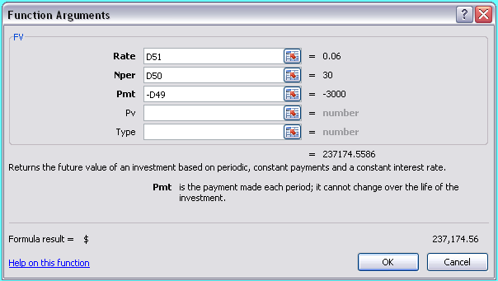

Rate is simply the interest rate, Nper is the number of periods, and Pmt is the annuity payment. Since there is no present value, we left this blank. Notice also that we put a negative sign in front of the payment. Excel works like a calculator in that one of the cash flows must be positive and one of the cash flows must be negative. If we had left the payment as a positive number we would have gotten a negative answer. Since we prefer our answers to show as positive, we entered a negative in front of the payment.

The NPER and RATE functions can be used with the future value to find the number of periods or interest rate in the same manner we used these functions with the present value.

Finding the Annuity Payment
To find the annuity payment, Excel uses the PMT function. Suppose you are buying a house with the following terms. What is your monthly mortgage payment?

 | Purchase price: |  |  | $175,000
 | Number of months for repayment: |  |  | 240
 | Monthly interest rate: |  |  | 0.50%

 | Monthly payment: |  |  | $1,253.75

RWJ Excel Tip
To find the annuity payment, we used the following arguments:
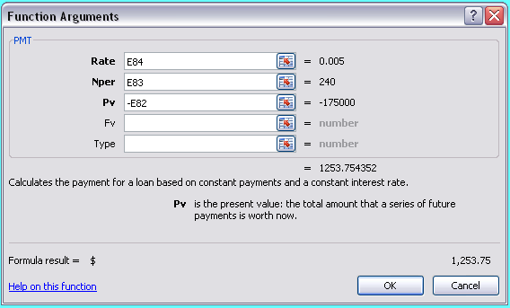

Rate is simply the interest rate, Nper is the number of periods, and Pv is the present value. Since there is no future value, we left this blank. Notice also that we put a negative sign in front of the present value. Excel works like a calculator in that one of the cash flows must be positive and one of the cash flows must be negative. If we had left the present value as a positive number we would have gotten a negative answer. Since we prefer our answers to show as positive, we entered a negative in front of the present value.

Finding the Interest Rate
To find the interest rate for an annuity, Excel uses the RATE function. Suppose you are saving for retirement and know how much you will save every year, as well as a target retirement balance. What interest rate is necessary for you to reach your goal?

 | Retirement goal: |  |  | $1,500,000
 | Annual amount to save: |  |  | $4,000
 | Number of years to save: |  |  | 35

 | Interest rate: |  |  | 11.40%

RWJ Excel Tip
To find the interest rate, we used the following arguments:
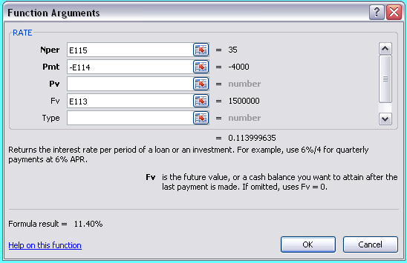

Nper is the number of periods, Pmt is the annuity payment, and Fv is the future value. Since there is no present value, we left this blank. Notice also that we put a negative sign in front of the payment. Excel requires that one of the cash flows be positive and one of the cash flows be negative. We could have made the payment positive and the future value negative and would have received the same answer.

Finding the Number of Payments
You ran a little short on your vacation, so you charged on your credit card. With the following assumptions, how long will it take you to pay off your credit card?

 | Amount owed: |  |  | $3,000
 | Monthly payment: |  |  | $50
 | Monthly interest rate: |  |  | 1.50%

 | Number of months to pay off card: |  |  | 154.65
 | Number of years to pay off card: |  |  | 12.89

To find the number of periods, Excel uses the NPER function.

RWJ Excel Tip
To find the number of periods, we used the following arguments:
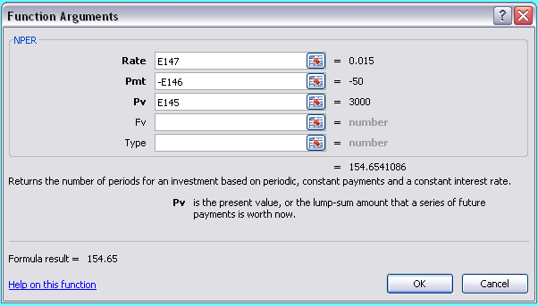

Rate is the interest rate per period, Pmt is the annuity payment, and Pv is the present value. Since there is no future value, we left this blank. Notice also that we put a negative sign in front of the payment. Excel requires that one of the cash flows be positive and one of the cash flows negative. We could have made the payment positive and the future value negative and would have received the same answer.

Trick 1: A Delayed Annuity
One of the tricks of annuities is getting the timing right. When we are dealing with a delayed annuity, there are a couple of ways to handle the calculation in Excel.

Example 4.22 Delayed Annuities
Suppose Danielle Caravello will receive the following annuity payments. What is the value of the payments today?

 | Number of payments: |  | 4
 | Amount of each payment: |  | $500
 | Date of first payment: |  | 6
 | Interest rate: |  | 10%

First, we can find the present value of the annuity payments, which is:

 | Annuity present value: |  | $1,584.93

Now that we have the lump sum value, we can find the present value of the lump sum. We also need to remember that the present value of an annuity is one period before the first payment, so we need to subtract one from the date of the first payment. So, the value of the annuity today is:

 | Value today: |  | $984.12

RWJ Excel Tip
Of course, we could solve this question with one calculation cell. Excel allows you to "nest" one function inside another. Below, we nested the present value of the annuity calculation inside the present value of the lump sum without the intermediate step of calculating the present value of the annuity. Although this is a little more difficult, it also results in a cleaner looking spreadsheet.

 | Value today: |  | $984.12

Of course, there is another way to calculate the value of this annuity today. Suppose we set up the cash flows in a table like this:

 | Year | Beginning Amount
 | 1 | $-
 | 2 | $-
 | 3 | $-
 | 4 | $-
 | 5 | $-
 | 6 | $500
 | 7 | $500
 | 8 | $500
 | 9 | $500
 | 10 | $-

 | Interest rate | 10%

With the cash flows set up like this, we can use the NPV function to find the value of the cash flows today, which will be:

 | Value today: |  | $984.12

Trick 2: Annuity Due
So far, we have talked about ordinary annuities, that is, the payments occur at the end of the period. What about annuities due, where the payments occur at the beginning of the period.

Example 4.23: Annuity Due
Suppose Mark DeYoung, who won the lottery in a previous example, still wins the lottery but now the payments are in the form of an annuity due. What is the value of his winnings today?

 | Beginning of period annuity deposit: |  |  | $50,000
 | Number of years: |  |  | 20
 | Interest rate: |  |  | 8%

 | Present value: |  |  | $530,179.96

RWJ Excel Tip
To calculate the present value of an annuity due, we use the PV function and set the type of payments to beginning of period like this:
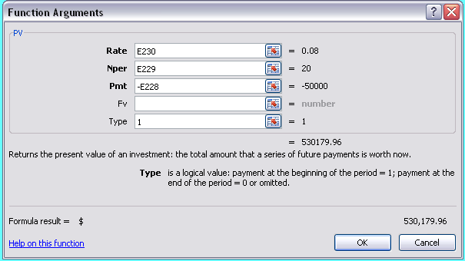

In the FV and PV functions, the Type represents the payment type. If this argument is left blank or a 0 (zero) is entered, Excel uses end of period payments. If a 1 (one) is entered, Excel uses beginning of period payments.

Example 4.24: Infrequent Annuities
Ann Chen is going to received the following annuity payments. What is the value of the payments today?

 | Annuity payment: |  | $450
 | Years between payments: |  | 2
 | Years for payments: |  | 20
 | EAR: |  | 6%

We can answer this problem in two steps. First, we need to find the effective rate for the years between the annuity payments, which is:

 | Effective multi-year rate: |  | 12.36%

Now we can use this rate to find the value today, which is:

 | Value today: |  | $2,505.57

Of course, we could always nest the functions to calculate the value today in one cell:

 | Value today: |  | $2,505.57

Section 4.5
 | Chapter 4 - Section 5
 | Loan Amortization

Equal Principal Payment

Amortization tables are an excellent application of Excel's abilities. Because an amortization table is repetitive, once we get the first couple of rows, we can copy and paste to fill in the rest of the amortization table. Suppose we have the following 15 year loan that requires equal principal payments each year:

 | Loan amount: |  | $350,000
 | Interest rate: |  | 9%

This means that the equal annual principal payments will be:

 | Principal payments: |  | $23,333.33

So, the equal principal payment amortization table will look like this:

 |  | Beginning Balance | Total Payment | Interest Paid | Principal Payment | Ending Balance
 | 1 | $350,000.00 | $54,833.33 | $31,500.00 | $23,333.33 | $326,666.67
 | 2 | 326,666.67 | 52,733.33 | 29,400.00 | 23,333.33 | 303,333.33
 | 3 | 303,333.33 | 50,633.33 | 27,300.00 | 23,333.33 | 280,000.00
 | 4 | 280,000.00 | 48,533.33 | 25,200.00 | 23,333.33 | 256,666.67
 | 5 | 256,666.67 | 46,433.33 | 23,100.00 | 23,333.33 | 233,333.33
 | 6 | 233,333.33 | 44,333.33 | 21,000.00 | 23,333.33 | 210,000.00
 | 7 | 210,000.00 | 42,233.33 | 18,900.00 | 23,333.33 | 186,666.67
 | 8 | 186,666.67 | 40,133.33 | 16,800.00 | 23,333.33 | 163,333.33
 | 9 | 163,333.33 | 38,033.33 | 14,700.00 | 23,333.33 | 140,000.00
 | 10 | 140,000.00 | 35,933.33 | 12,600.00 | 23,333.33 | 116,666.67
 | 11 | 116,666.67 | 33,833.33 | 10,500.00 | 23,333.33 | 93,333.33
 | 12 | 93,333.33 | 31,733.33 | 8,400.00 | 23,333.33 | 70,000.00
 | 13 | 70,000.00 | 29,633.33 | 6,300.00 | 23,333.33 | 46,666.67
 | 14 | 46,666.67 | 27,533.33 | 4,200.00 | 23,333.33 | 23,333.33
 | 15 | 23,333.33 | 25,433.33 | 2,100.00 | 23,333.33 | -
 | Total |  | $602,000.00 | $252,000.00 | $350,000.00

RWJ Excel Tip
To create the table, we first set up the header row and column. The beginning balance references the loan amount, the principal payment is an absolute reference to the earlier calculation of the principal payment, and the interest paid is the beginning balance multiplied by the interest rate (which is an absolute reference.) We then repeated this for the second period, except that the beginning balance in period 2 is the ending balance in period 1. Since we have used absolute references for the principal payment and interest rate, we can copy and paste the second row to fill in the table. To find the total payments, total interest payments, and total principal payments, we used the sum button.

Equal Payment

Creating an equal payment amortization schedule is similar to the equal principal amortization schedule. First, we need to calculate the loan payment for the 15 year loan, which we can calculate using the PMT function we discussed earlier. The loan payment will be:

 | Loan amount: |  | $21,800
 | Interest rate: |  | 1%

This means that the equal annual payments will be:

 | Equal payments: |  | $1,517.10

So, the equal annual payment amortization table will look like this:

 |  | Beginning Balance | Total Payment | Interest Paid | Principal Payment | Ending Balance
 | 1 | $21,800.00 | $1,517.10 | $118.08 | $1,399.02 | $20,400.98
 | 2 | 20,400.98 | 1,517.10 | 110.51 | 1,406.60 | 18,994.38
 | 3 | 18,994.38 | 1,517.10 | 102.89 | 1,414.22 | 17,580.16
 | 4 | 17,580.16 | 1,517.10 | 95.23 | 1,421.88 | 16,158.28
 | 5 | 16,158.28 | 1,517.10 | 87.52 | 1,429.58 | 14,728.70
 | 6 | 14,728.70 | 1,517.10 | 79.78 | 1,437.32 | 13,291.38
 | 7 | 13,291.38 | 1,517.10 | 71.99 | 1,445.11 | 11,846.27
 | 8 | 11,846.27 | 1,517.10 | 64.17 | 1,452.94 | 10,393.33
 | 9 | 10,393.33 | 1,517.10 | 56.30 | 1,460.81 | 8,932.52
 | 10 | 8,932.52 | 1,517.10 | 48.38 | 1,468.72 | 7,463.80
 | 11 | 7,463.80 | 1,517.10 | 40.43 | 1,476.68 | 5,987.12
 | 12 | 5,987.12 | 1,517.10 | 32.43 | 1,484.67 | 4,502.45
 | 13 | 4,502.45 | 1,517.10 | 24.39 | 1,492.72 | 3,009.73
 | 14 | 3,009.73 | 1,517.10 | 16.30 | 1,500.80 | 1,508.93
 | 15 | 1,508.93 | 1,517.10 | 8.17 | 1,508.93 | 0.00
 |  |  | $22,756.57 | $956.57 | $21,800.00

RWJ Excel Tip
To create the table, we first set up the header row and column. The beginning balance referenced the loan amount, the total payment is an absolute reference to the earlier calculation of the payment amount, the interest payment is the beginning balance multiplied by the interest rate (which is an absolute reference,) and the principal payment is the total payment minus the interest paid. The ending balance is the beginning balance minus the principal payment. We then repeated this for the second period, except that the beginning balance in period 2 is the ending balance in period 1. Since we have used absolute references for the total payment and interest rate, we can copy and paste the second row to fill in the table. To find the total payments, total interest payments, and total principal payments over the life of the loan, we used the sum button.

RWJ Excel Tip
Loan amortization tables are so common that Excel has a built-in worksheet to calculate a loan amortization. To find this worksheet, right-click on one of the worksheet tabs, select Insert, then the Spreadsheet Solutions tab. Below you will see the built-in spreadsheet options. We selected the Loan Amortization worksheet and Excel inserted the Loan Amortization worksheet. We entered the values in the table at the top and the entire loan amortization table was constructed automatically.
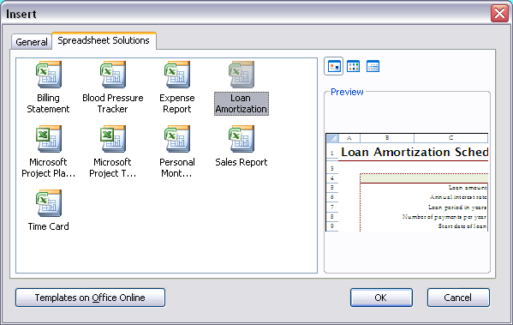

"Balloon" or "Bullet" Loans
Balloon loans are loans that are amortized over a relatively long schedule, but at some point during the life of the loan, the remaining principal of the loan is repaid. We are going to be a little fancier here and set up the problem so that it works with any repayment schedule, whether annually, monthly, or any other period. Suppose we have a loan with the following characteristics:

Example 4.28: Partial Amortization, or "Bite the Bullet"
Suppose we have a commercial mortgage with the following characteristics. What will the monthly payment be? How big will the balloon payment be?

 | Loan amount: |  |  | $100,000
 | Amortization period (years): |  |  | 20
 | Time balloon payment due (years): |  |  | 5
 | Payments per year: |  |  | 12
 | Interest rate (APR): |  |  | 12.00%

So, based on the original amortization schedule, the payments will be:

 | Monthly payment: |  |  | $1,101.09

The balloon payment is the present value of the remaining payments, so the balloon payment will be:

 | Balloon payment: |  |  | $91,744.33

Of course, we could have nested the functions to find the balloon payment as well like this:

 | Balloon payment: |  |  | $91,744.33

